Instructions
 | Site Selection Matrix Tool for CNSWJO Electric Vehicle Charging Toolkit

About | The site selection matrix can be used to quantify the feasibility of a potential site. Simply score each site against the functional and technical criteria set out in the tool and it will output a score and rating.

 | A high functional score means the site is likely to have a high value to users.
 | A high technical score means that installation at the site is likely to be uncomplicated and relatively low cost.
Who the tool is for? | For businesses: This tool can be used to help understand the suitability of your site for charging.
 | For councils: This tool can be used to compare the suitability of multiple assets as potential charge station sites.
How to use the tool | Score each criteria on a scale of 1 to 5 based on the scoring guide. Input the score in the pale orange cell. Other cells will not allow data entry.
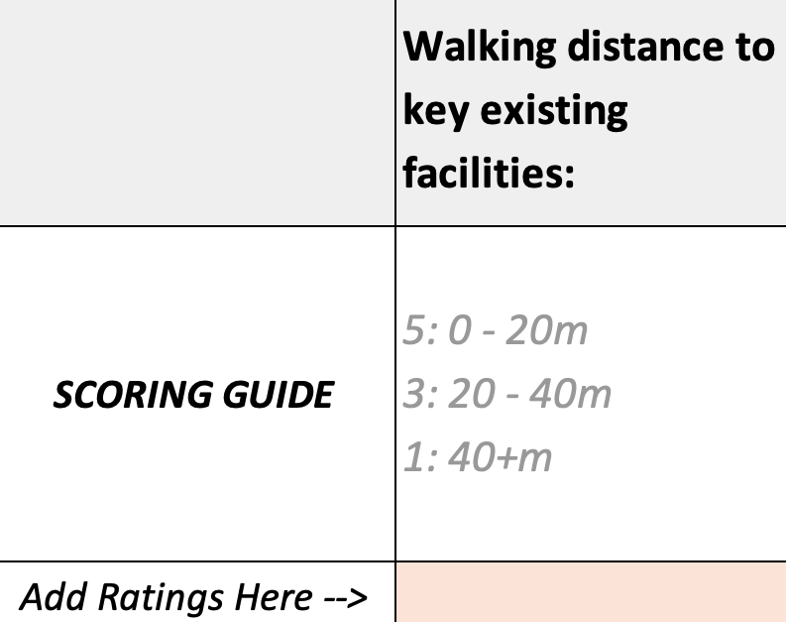

 | Once each criteria is scored, the tool will calculate a functional score and a technical score for the site.

Protection | Note, the Site Selection Matrix sheet is protected with the password "evenergi" (without quotation marks). It is not recommended to unprotect the sheet.
Last Updated | 2020-04-07

